DesignBrief
Snapper Coding Challenge
Author: Peter Cox
Source Code: https://github.com/EurocodeHelpers/SnapperCodingChallenge

Design Brief
Design an application that scans an arbitrarily sized grid of fuzzy data containing "Torpedooes" and "Starships". The shape of these objects is described in the "NuclearTorpedo.blf" and "Starship.blf" files.
The following should be returned:
1. Type of target found
2. Co-ordinates of the target on the snapper data
3. Indication of confidence (defined by number of grid elements that are correct/number of total grid elements that make up the star ship."
Bonus: Let the console paplication print the grid which have highlighted the areas in yellow that are Torpedos and Starships, and print the data as a nice summary.

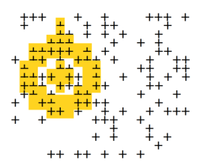

QUESTIONS/NOTES:
1. To optimise the speed of the programme, we must stored important properties as static when each shape is instantiated e.g. number of elements to be checked etc.
Yes, we will do this in our OOP approach.
2. Should we use 2d-array [][] or jagged array [,] - working with rectangular objects so 2d-array will be used as no need for flexibility of width of rows etc.
Use multi-dimensional arrays - we should assume that all rows and columns of characters defined in the datafile to be equal.
3. We should error handle to catch when grid not rectangular and there are errors. Done.
4. The objects contain empty white columns and rows - we should trim these out to optimise the algorithm. 1. Exception handling when grid is not rectangular DONE.
5. What happens if the input files contains other non "X" or white-space ASCII characters? Do we want tight or loose exception handling - e.g. return errror message if contaisn non "X" characters, or simply run through analysis and assume that if not X, not counted as data. DONE
6. Do a simple method for a grid of say 4 1's within 16*16 grid as a practice! DONE - extensive unit testing.
7. The application make get duplicates e.g. adding 1 to column especially if logic very fuzzy - how to cater for this?
Hasnt seem to be an issue
8. How are the "co-ordinates" of the ITarget defined?
Global coordinates, based on the centroid of the target object/array.

Manual Approach/Pen and Paper
Print out the raw snapper data as a grid.
Foreach object e.g. torpedo or starship
Get the "size" of the object, i.e. m*n rectangle that envelopes the shape.
Count the number of objects that need to be compared (i.e. number of pluses in the grid => this should be stored as a static property to stop repeated calls when the object is instantiated
Note down the elements as i,j values that need to be compared, ignoring the white space as a result of the m*n enveloping rectangle.
Break down the raw snapper data grid into overlapping slices "m*n" that overlap
For each of the relevant elements, check if theyre a plus. If so count them .
Compare count of pluses to count of pluses that should be there.
Return confidence of target and coordinate of target found

Procedural/Non-OOP Approach (Initially only consider the starship).
Pre-Processing
1. Convert the following raw snapper data as an input file into an array[char][char].
2. Convert the StarshipData input file into an array[char][char] enveloping the extents of the object, making sure to trim any empty rows,
3. Obtain the elements of the starship array[char]char[] that are within the perimeter of the object {X,Y} => we could use a tuple to present this or a struct.
Processing
1. Write a method to compare a given matrix with another matrix, comparing ONLY against a given list of co-ordinates
1. Break down the map data into a series of slices => use the Compare2DMatrices method to determine whether a starship is contained within the slice/submatrix for each slice based on assumption that a match >50% means that a starship has been detected.
Post-Processing
1. Print to console when a starship has been detected, along with its coordinates and target accuracy => the coordinates should be defined as the centroid of the 2D Array

 | Methods we Need

 | static array[char]char[] ConvertTxtFileTo2DArray(string txtfile) | DONE
 | {Convert the target txtfile into a 2d array of characters}
 | {We should also provide a method to strip out any blank columns or rows

 | static array[char]char[] TrimArray(char[,] array) | DONE
 | As above, but this time we should strip out any blank rows or columns.

 | static List<Tuple<x,y>> GetCoordinatesToBeConsideredWithin2DArray | DONE |  | `
 | Given a 2D matrix return a list of tuples(x,y) that define coords
 | within the matrix that will be used later to verify whether a slice
 | does indeed contain a spaceship etc

 | static Bool Compare2DMatrices(Array[char,char], Array[char][char] sliceToCheck, List<Tuple<x,y>> coordsToCheck, double accuracy (e.g. 0.5 = 50% will yield a match. |  | DONE

OOP_V1.0
Snapper Coding Challenge
Author: Peter Cox
Source Code: https://github.com/EurocodeHelpers/SnapperCodingChallenge

User Interface
Lets think about exactly how such a program would operate once it has been developed to be used by someone.
1. We're handed a "snapper" image i.e. textfile we want to load into the program.
2. We "load" into the program the elements we're checking against.
3. We run the solver, which echoes the progress to the Console
4. We examine the output file which records the following in a neat table:
===========
SNAPPER OUPUT
Date:
===========
Options:
MinimumAccyracy = 0.5 (or 50%)
Target Summary;
Name: Starship
Instances: 4 (for example Coordinates:
(32, 45)
(23, 43)
(21, 20)
(80, 90)

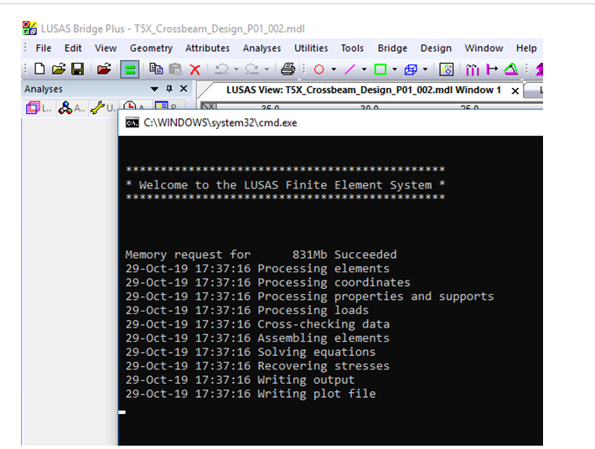

 | \

Procedure
 |  |  | y =>
Objectives
1. Design and write a c# program that can analyse abitrary sizes snapper images and return a list of targets found.
2. Each target should include:
-Target Type (Starship or nuclear torpedo)
-Coordinates of the target on the Snapper data
-Indication of your confidence in the target detection.
3. Design and write test code that submits the test data to your package and prints the results returned by your program.
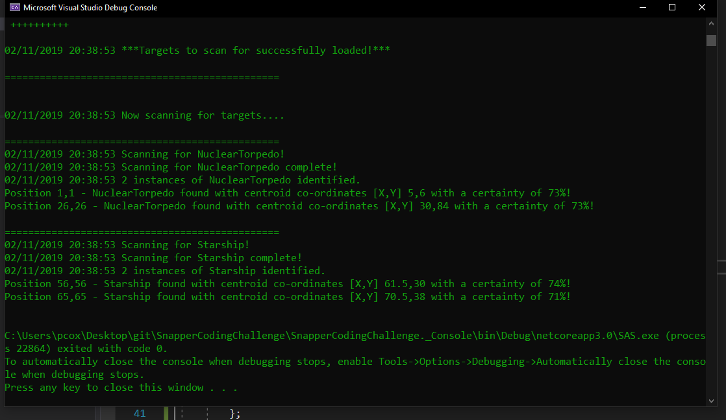
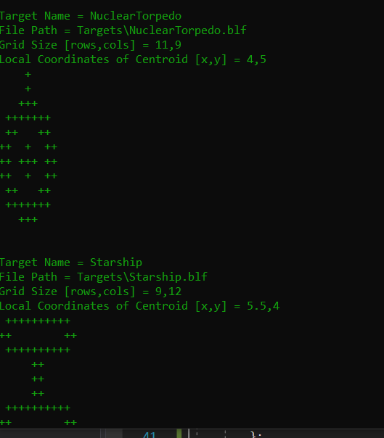
NOTATION |  |  | 0 | 1 | 2 | 3 | 4 | 5 | 6 | 7 | 8 | 9
 |  | 0
 | x | 1 |  |  |  |  |  |  |  |  |  |  | TODO List
 | || | 2 |  |  |  |  | X | X
 | v | 3 |  |  |  | X | X | X | X
 |  | 4 |  |  |  |  | X | X
 |  | 5 |  |  |  |  | X | X |  |  |  |  |  | 8 | 11 | 0.72727272727
 |  | 6 |  |  |  | X | X | X | X
 |  | 7
 |  | 8
 |  | 9

Inputs
SnapperImage (text file)
Target1 (text file)
Target2 (text file)
NOTATION
1. The GridRepresentaton of a SnapperImage, Target etc is defined as [rows,cols]
2. A given coordinate (x,y) is defined as x units (right) and y units down
3. The centroid is defined based on centroid of encapsulating shape e.g. for above = 4.5,4

Pre-Processing
ISnapperImage
1. Convert the SnapperImage into a 2D array of characters
Target
1. Convert the TargetData into a 2D Array of characters.
2. Trim out any white space above or below the shape.
3. Calculate the centroid of the shape (locally).
4. Calculate the centroid using a given ITargetData.
5. Get a List<Coordinates> that define the "shape" of the target within the white space.

EXCEPTION HANDLING
Files
Must be at least >1 target!
 |  |  |  |  |  |  |  |  |  |  |  |  |  |  | [TestCase(0.63, 1)]
 |  |  |  |  |  |  |  |  |  |  |  |  |  |  | [TestCase(0.64, 0)]

Processing
ISnapperScanner
1. Scan a given segment of the SnapperImage and return a target - also check that the same image has not been scanned already beore!
2. Scan entire grid for a given target.

Sheet1
